Picture
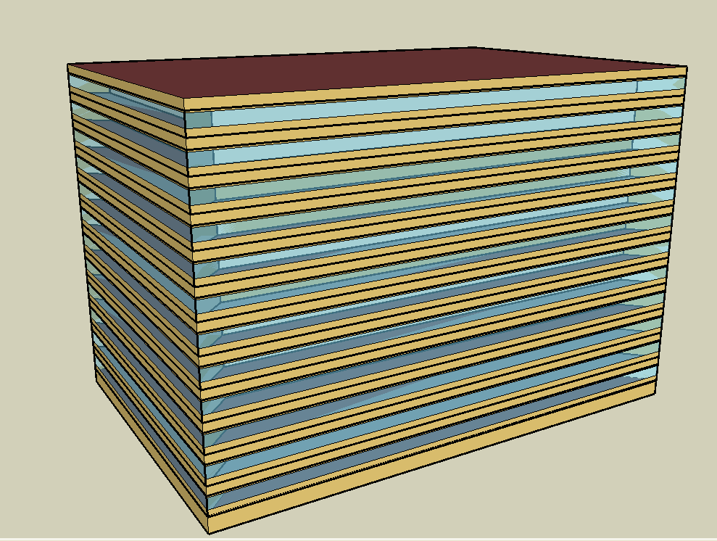
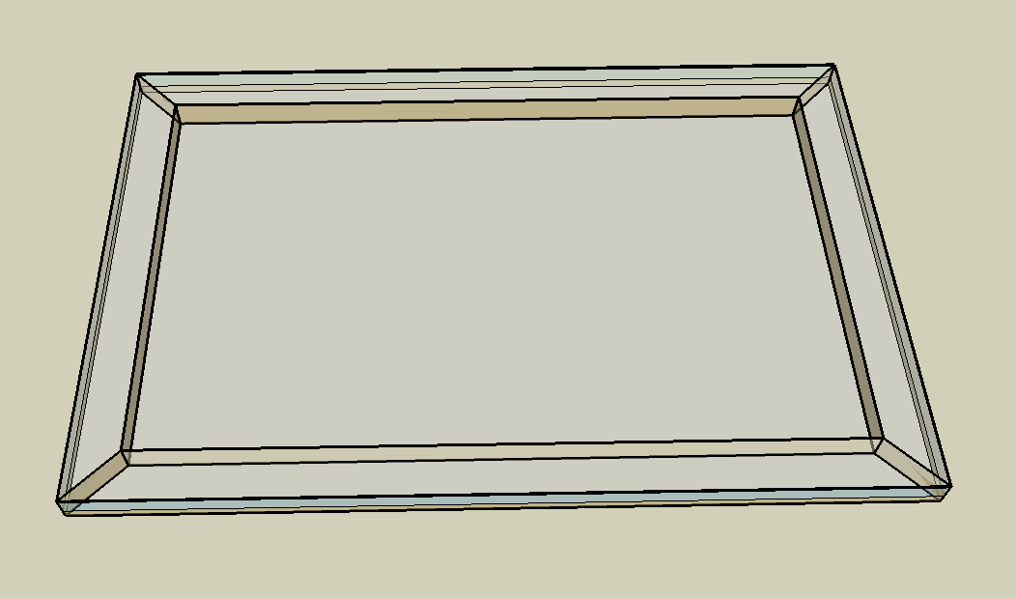
DOE Commercial Building Benchmark - Large Office

Electricity
 | Cooling | Interior Lighting | Exterior Lighting | Interior Equipment | Exterior Equipment | Fans | Pumps | Heat Rejection
Miami | 3,200,219.44 | 2,348,469.44 | 269,230.56 | 2,328,883.33 | 526,411.11 | 209,547.22 | 316,616.67 | 247,950.00
Houston | 2,589,358.33 | 2,348,469.44 | 269,127.78 | 2,328,883.33 | 526,411.11 | 194,044.44 | 290,850.00 | 221,608.33
Phoenix | 2,359,961.11 | 2,348,469.44 | 269,077.78 | 2,328,883.33 | 526,411.11 | 238,669.44 | 279,027.78 | 224,813.89
Atlanta | 2,057,230.56 | 2,348,469.44 | 269,036.11 | 2,328,883.33 | 526,411.11 | 185,338.89 | 267,569.44 | 193,777.78
Los Angeles | 1,742,669.44 | 2,348,469.44 | 268,830.56 | 2,328,883.33 | 526,411.11 | 183,336.11 | 217,041.67 | 178,833.33
Las Vegas | 1,584,555.56 | 2,348,469.44 | 268,769.44 | 2,328,883.33 | 526,411.11 | 228,677.78 | 212,819.44 | 168,569.44
San Francisco | 816,433.33 | 2,348,469.44 | 268,913.89 | 2,328,883.33 | 526,411.11 | 158,983.33 | 131,297.22 | 108,027.78
Baltimore | 1,749,602.78 | 2,348,469.44 | 268,750.00 | 2,328,883.33 | 526,411.11 | 181,402.78 | 259,002.78 | 169,527.78
Albuquerque | 943,058.33 | 2,348,469.44 | 268,852.78 | 2,328,883.33 | 526,411.11 | 230,119.44 | 138,722.22 | 101,908.33
Seattle | 663,061.11 | 2,348,469.44 | 268,319.44 | 2,328,883.33 | 526,411.11 | 173,875.00 | 102,088.89 | 78,450.00
Chicago | 1,081,544.44 | 2,348,469.44 | 268,791.67 | 2,328,883.33 | 526,411.11 | 191,008.33 | 139,555.56 | 99,800.00
Boulder | 710,736.11 | 2,348,469.44 | 268,636.11 | 2,328,883.33 | 526,411.11 | 213,911.11 | 109,555.56 | 78,191.67
Minneapolis | 979,930.56 | 2,348,469.44 | 268,616.67 | 2,328,883.33 | 526,411.11 | 196,472.22 | 128,013.89 | 92,933.33
Helena | 534,750.00 | 2,348,469.44 | 268,555.56 | 2,328,883.33 | 526,411.11 | 202,272.22 | 89,411.11 | 61,569.44
Duluth | 556,294.44 | 2,348,469.44 | 268,400.00 | 2,328,883.33 | 526,411.11 | 210,197.22 | 91,811.11 | 59,311.11
Fairbanks | 394,508.33 | 2,348,469.44 | 266,758.33 | 2,328,883.33 | 526,411.11 | 245,958.33 | 75,741.67 | 47,066.67

Gas
 | Heating | Water Systems
Miami | 182,280.00 | 132,490.00
Houston | 2,218,810.00 | 167,250.00
Phoenix | 1,571,300.00 | 147,150.00
Atlanta | 3,607,320.00 | 200,810.00
Los Angeles | 1,461,480.00 | 194,370.00
Las Vegas | 2,400,450.00 | 171,260.00
San Francisco | 2,654,670.00 | 223,090.00
Baltimore | 5,152,850.00 | 227,180.00
Albuquerque | 3,475,460.00 | 222,180.00
Seattle | 5,309,680.00 | 240,980.00
Chicago | 7,772,920.00 | 250,380.00
Boulder | 5,011,440.00 | 249,160.00
Minneapolis | 10,326,050.00 | 270,390.00
Helena | 7,466,390.00 | 274,040.00
Duluth | 12,795,370.00 | 303,430.00
Fairbanks | 24,131,870.00 | 343,360.00

EUI
 | Cooling (elec) | Interior Lighting (elec) | Exterior Lighting (elec) | Interior Equipment (elec) | Exterior Equipment (elec) | Fans (elec) | Pumps (elec) | Heat Rejection (elec) | Heating (gas) | Water Systems (gas)
Miami | 248.72 | 182.52 | 20.92 | 181.00 | 40.91 | 16.29 | 24.61 | 19.27 | 3.94 | 2.86
Houston | 201.24 | 182.52 | 20.92 | 181.00 | 40.91 | 15.08 | 22.60 | 17.22 | 47.90 | 3.61
Phoenix | 183.42 | 182.52 | 20.91 | 181.00 | 40.91 | 18.55 | 21.69 | 17.47 | 33.92 | 3.18
Atlanta | 159.89 | 182.52 | 20.91 | 181.00 | 40.91 | 14.40 | 20.80 | 15.06 | 77.88 | 4.34
Los Angeles | 135.44 | 182.52 | 20.89 | 181.00 | 40.91 | 14.25 | 16.87 | 13.90 | 31.55 | 4.20
Las Vegas | 123.15 | 182.52 | 20.89 | 181.00 | 40.91 | 17.77 | 16.54 | 13.10 | 51.82 | 3.70
San Francisco | 63.45 | 182.52 | 20.90 | 181.00 | 40.91 | 12.36 | 10.20 | 8.40 | 57.31 | 4.82
Baltimore | 135.98 | 182.52 | 20.89 | 181.00 | 40.91 | 14.10 | 20.13 | 13.18 | 111.24 | 4.90
Albuquerque | 73.29 | 182.52 | 20.90 | 181.00 | 40.91 | 17.88 | 10.78 | 7.92 | 75.03 | 4.80
Seattle | 51.53 | 182.52 | 20.85 | 181.00 | 40.91 | 13.51 | 7.93 | 6.10 | 114.63 | 5.20
Chicago | 84.06 | 182.52 | 20.89 | 181.00 | 40.91 | 14.85 | 10.85 | 7.76 | 167.81 | 5.41
Boulder | 55.24 | 182.52 | 20.88 | 181.00 | 40.91 | 16.63 | 8.51 | 6.08 | 108.19 | 5.38
Minneapolis | 76.16 | 182.52 | 20.88 | 181.00 | 40.91 | 15.27 | 9.95 | 7.22 | 222.93 | 5.84
Helena | 41.56 | 182.52 | 20.87 | 181.00 | 40.91 | 15.72 | 6.95 | 4.79 | 161.19 | 5.92
Duluth | 43.23 | 182.52 | 20.86 | 181.00 | 40.91 | 16.34 | 7.14 | 4.61 | 276.24 | 6.55
Fairbanks | 30.66 | 182.52 | 20.73 | 181.00 | 40.91 | 19.12 | 5.89 | 3.66 | 520.98 | 7.41

Water
 | Cooling | SO2 (kg)
Miami | 0.00 | 40,438.43
Houston | 0.00 | 41,827.60
Phoenix | 0.00 | 34,483.51
Atlanta | 0.00 | 28,701.28
Los Angeles | 0.00 | 22,681.43
Las Vegas | 0.00 | 42,176.17
San Francisco | 0.00 | 19,460.36
Baltimore | 0.00 | 28,591.54
Albuquerque | 0.00 | 30,072.62
Seattle | 0.00 | 5,017.39
Chicago | 0.00 | 47,071.82
Boulder | 0.00 | 28,755.88
Minneapolis | 0.00 | 16,216.49
Helena | 0.00 | 16,984.89
Duluth | 0.00 | 15,084.40
Fairbanks | 0.00 | 31,739.08

Carbon
 | Water Systems
Miami | 1,504.13
Houston | 1,504.13
Phoenix | 1,504.13
Atlanta | 1,504.13
Los Angeles | 1,504.13
Las Vegas | 1,504.13
San Francisco | 1,504.13
Baltimore | 1,504.13
Albuquerque | 1,504.13
Seattle | 1,504.13
Chicago | 1,504.13
Boulder | 1,504.13
Minneapolis | 1,504.13
Helena | 1,504.13
Duluth | 1,504.13
Fairbanks | 1,504.13

LghtSch
Lighting Schedules
 | Weekday | Saturday | Other
 | 0.05 | 0.05 | 0.05
 | 0.05 | 0.05 | 0.05
 | 0.05 | 0.05 | 0.05
 | 0.05 | 0.05 | 0.05
 | 0.05 | 0.05 | 0.05
 | 0.1 | 0.05 | 0.05
 | 0.1 | 0.1 | 0.05
 | 0.3 | 0.1 | 0.05
 | 0.9 | 0.5 | 0.05
 | 0.9 | 0.5 | 0.05
 | 0.9 | 0.5 | 0.05
 | 0.9 | 0.5 | 0.05
 | 0.9 | 0.5 | 0.05
 | 0.9 | 0.5 | 0.05
 | 0.9 | 0.15 | 0.05
 | 0.9 | 0.15 | 0.05
 | 0.9 | 0.15 | 0.05
 | 0.7 | 0.05 | 0.05
 | 0.5 | 0.05 | 0.05
 | 0.5 | 0.05 | 0.05
 | 0.3 | 0.05 | 0.05
 | 0.3 | 0.05 | 0.05
 | 0.1 | 0.05 | 0.05
 | 0.05 | 0.05 | 0.05

OccSch
Occupancy Schedules
 | Weekday | Saturday | Other
 | 0 | 0 | 0
 | 0 | 0 | 0
 | 0 | 0 | 0
 | 0 | 0 | 0
 | 0 | 0 | 0
 | 0 | 0 | 0
 | 0.1 | 0.1 | 0
 | 0.2 | 0.1 | 0
 | 0.95 | 0.5 | 0
 | 0.95 | 0.5 | 0
 | 0.95 | 0.5 | 0
 | 0.95 | 0.5 | 0
 | 0.5 | 0.5 | 0
 | 0.95 | 0.5 | 0
 | 0.95 | 0.1 | 0
 | 0.95 | 0.1 | 0
 | 0.95 | 0.1 | 0
 | 0.7 | 0 | 0
 | 0.4 | 0 | 0
 | 0.4 | 0 | 0
 | 0.1 | 0 | 0
 | 0.1 | 0 | 0
 | 0.05 | 0 | 0
 | 0.05 | 0 | 0

EqpSch
Equipment Schedules
 | Weekday | Saturday | Other
 | 0.4 | 0.3 | 0.05
 | 0.4 | 0.3 | 0.05
 | 0.4 | 0.3 | 0.05
 | 0.4 | 0.3 | 0.05
 | 0.4 | 0.3 | 0.05
 | 0.4 | 0.3 | 0.05
 | 0.4 | 0.4 | 0.05
 | 0.4 | 0.4 | 0.05
 | 0.9 | 0.5 | 0.05
 | 0.9 | 0.5 | 0.05
 | 0.9 | 0.5 | 0.05
 | 0.9 | 0.5 | 0.05
 | 0.8 | 0.5 | 0.05
 | 0.9 | 0.5 | 0.05
 | 0.9 | 0.35 | 0.05
 | 0.9 | 0.35 | 0.05
 | 0.9 | 0.35 | 0.05
 | 0.8 | 0.3 | 0.05
 | 0.6 | 0.3 | 0.05
 | 0.6 | 0.3 | 0.05
 | 0.5 | 0.3 | 0.05
 | 0.5 | 0.3 | 0.05
 | 0.4 | 0.3 | 0.05
 | 0.4 | 0.3 | 0.05

HeatSch
Heating Set Point Schedules
 | Weekday | Saturday | Other
 | 26.7 | 15.6 | 15.6
 | 26.7 | 15.6 | 15.6
 | 26.7 | 15.6 | 15.6
 | 26.7 | 15.6 | 15.6
 | 26.7 | 15.6 | 15.6
 | 26.7 | 15.6 | 15.6
 | 24 | 21 | 15.6
 | 24 | 21 | 15.6
 | 24 | 21 | 15.6
 | 24 | 21 | 15.6
 | 24 | 21 | 15.6
 | 24 | 21 | 15.6
 | 24 | 21 | 15.6
 | 24 | 21 | 15.6
 | 24 | 21 | 15.6
 | 24 | 21 | 15.6
 | 24 | 21 | 15.6
 | 24 | 21 | 15.6
 | 24 | 15.6 | 15.6
 | 24 | 15.6 | 15.6
 | 24 | 15.6 | 15.6
 | 24 | 15.6 | 15.6
 | 26.7 | 15.6 | 15.6
 | 26.7 | 15.6 | 15.6

CoolSch
Cooling Set Point Schedules
 | Weekday | Saturday | Other
 | 26.7 | 26.7 | 26.7
 | 26.7 | 26.7 | 26.7
 | 26.7 | 26.7 | 26.7
 | 26.7 | 26.7 | 26.7
 | 26.7 | 26.7 | 26.7
 | 26.7 | 26.7 | 26.7
 | 24 | 24 | 26.7
 | 24 | 24 | 26.7
 | 24 | 24 | 26.7
 | 24 | 24 | 26.7
 | 24 | 24 | 26.7
 | 24 | 24 | 26.7
 | 24 | 24 | 26.7
 | 24 | 24 | 26.7
 | 24 | 24 | 26.7
 | 24 | 24 | 26.7
 | 24 | 24 | 26.7
 | 24 | 24 | 26.7
 | 24 | 26.7 | 26.7
 | 24 | 26.7 | 26.7
 | 24 | 26.7 | 26.7
 | 24 | 26.7 | 26.7
 | 26.7 | 26.7 | 26.7
 | 26.7 | 26.7 | 26.7

